DATA





DATA
Tahun | : | 2022
Discount Rate | : | 12%
Transfer price TM | : | 1,084 |  | Marginal COST maret 2022
Umur ekonomis (tahun) | : | 25.00
Selisih Susut Teknis | : | 2.25%
∑ Daya | : | 105
BP (Rp) | : | 66,255,000
RAB (Rp) | : | 377,466,655
Biaya O&M (2% invest) | : | 7,549,333.10

Nama Pelanggan | : | PLN UP3 GROBOGAN | *
Golongan Pelanggan | : | B2 | *
Jenis Layanan | : | REGULER | *
Daya Lama (kVA) | : | - | *
Daya Baru (kVA) | : | 105 | *
Tarif WBP (Rp/kWh) | : | 1,444.70 | *
Tarif LWBP (Rp/kWh) | : | - | *
BP (Rp/VA) TR | : | 631 | *
Jam Nyala | : | 40 | *

RAB Standart
 |  | PT. PLN ( PERSERO )
 |  | UNIT INDUK DISTRIBUSI JAWA TENGAH & DI YOGYAKARTA |  |  |  |  |  |  |  |  |  | RAB TOTAL
 |  | UP3 DEMAK |  |  |  |  |  |  |  |  | RAB TOTAL | RAB NON MDU
 | RENCANA ANGGARAN BIAYA (RAB) - STANDART

 |  |  |  | Pekerjaan | : | PEKERJAAN PB PLN UP3 GROBOGAN
 |  |  |  | Lokasi | : | GROBOGAN - PURWODADI
 |  |  |  | Pelaksana | : | UP3 DEMAK
 |  |  |  | Anggaran | : | SAR 2023

Note !! 1. Saat Pengisian Uraian di mohon memasukan nama material sesuai dengan nama material di harga satuan
2. Mohon di cek kembali saat pengisian volume material
3. Untuk program Sarana Penunjang Fungsi tidak perlu SLO.
 | NO | URAIAN | GOL | SAT | VOL | HARGA SATUAN | BIAYA YANG DIPERLUKAN ( Rp )
 |  |  |  |  |  |  | MDU | HARDWARE | JASA | JUMLAH

#REF! | I | PEKERJAAN PEMASANGAN TIANG |  |  |  | 0 | 0 | 0 | 0 | 0
#REF! | 1 | Tiang Beton 12M-350 daN+E | HDW | Btg | 2 | 6,074,400 | 0 | 12,148,800 | 0 | 12,148,800
#REF! | 2 | Tiang Beton 14M-350 daN+E | HDW | Btg | 1 | 8,609,100 | 0 | 8,609,100 | 0 | 8,609,100
#REF! | 3 | Penomoran Tiang | JASA | Btg | 3 | 10,067 | 0 | 0 | 30,200 | 30,200
#REF! |  |  |  |  |  | 0 | 0 | 0 | 0 | 0
 | II | PEMASANGAN KONSTRUKSI |  |  |  | 0 | 0 | 0 | 0 | 0
 | + | DB06 |  | Unit | 2 | 0 | 0 | 0 | 0 | 0
 | 1 | Terminal Lug For 50 mm² CU Conductor | HDW | Bh | 4 | 154,107 | 0 | 616,427 | 0 | 616,427
 | 2 | Cooper Strip 50 mm² Insulated Ground Colour | HDW | Mtr | 12 | 31,720 | 0 | 380,640 | 0 | 380,640
 | 3 | PVC Pipe 150 mm² | HDW | Mtr | 7 | 51,240 | 0 | 358,680 | 0 | 358,680
 | 4 | Strapping Buckle | HDW | Bh | 12 | 5,531 | 0 | 66,378 | 0 | 66,378
 | 5 | Link 50 x 25 mm | HDW | Bh | 12 | 3,477 | 0 | 41,724 | 0 | 41,724
 | 6 | Protective Plastic | HDW | Bh | 2 | 3,477 | 0 | 6,954 | 0 | 6,954
 | 7 | Stainless Steel Strap 20mm x 0.7 mm | HDW | Mtr | 12 | 15,000 | 0 | 180,000 | 0 | 180,000
 | 8 | Stainless Steel Bolt 12 x 45 | HDW | Bh | 16 | 16,226 | 0 | 259,616 | 0 | 259,616
 | 9 | Strap For Clamping, Type Insulator | HDW | Bh | 2 | 16,226 | 0 | 32,452 | 0 | 32,452
 | 10 | Parralel Groove Clamp | HDW | Bh | 2 | 72,743 | 0 | 145,485 | 0 | 145,485
 | 11 | Strain Clamp Bolted Type | HDW | Bh | 2 | 45,445 | 0 | 90,890 | 0 | 90,890
 | 12 | Turn Buckle | HDW | Bh | 2 | 84,821 | 0 | 169,641 | 0 | 169,641
 | 13 | Strain Hinge | HDW | Bh | 2 | 53,867 | 0 | 107,733 | 0 | 107,733
 | 14 | Fixation Device | HDW | Bh | 2 | 84,821 | 0 | 169,641 | 0 | 169,641
 | 15 | Pole Band Double Rack 7" atau 7 ½" | HDW | Bh | 4 | 63,500 | 0 | 254,000 | 0 | 254,000
 | 16 | set of cable terminator for 3x150aac+90 st | HDW | Bh | 2 | 61,732 | 0 | 123,464 | 0 | 123,464
 | 17 | Lightning Arester (Polymer) 21 KV, 10 KA | MDU-KD | Bh | 6 | 725,900 | 4,355,400 | 0 | 0 | 4,355,400
 | 18 | H Type Connector 50/50 mm² Cu | HDW | Bh | 16 | 22,400 | 0 | 358,400 | 0 | 358,400
 | 19 | Terminal Lug For 150 mm² CU conductor | HDW | Bh | 12 | 34,299 | 0 | 411,589 | 0 | 411,589
 | 20 | H Type Connector | HDW | Bh | 6 | 19,825 | 0 | 118,950 | 0 | 118,950
 | 21 | Three Pole Outdoor Terminator For 3x240 mm² AL XLPE U/G CABLE | HDW | Bh | 2 | 5,874,300 | 0 | 11,748,600 | 0 | 11,748,600
 | 22 | Support Assembly For TIC Terminator | HDW | Bh | 2 | 23,180 | 0 | 46,360 | 0 | 46,360
 | 23 | Cross Arm Steel 2.000 mm ( UNSP 10 ) galvanis | HDW | Bh | 2 | 380,500 | 0 | 761,000 | 0 | 761,000
 | 24 | Upah Pasang Konst. SKUTM DB06 (Fixed Dead End Assembly)) | JASA | Unit | 2 | 56,700 | 0 | 0 | 113,400 | 113,400

 | + | CC11 |  | Unit | 2 | 0 | 0 | 0 | 0 | 0
 | 1 | Isolator Tumpu ( Pin Post ) 20 KV |  |  | 12 | 235,900 | 0 | 0 | 0 | 0
 | 2 | Bolt Double Arming ⅝" x 14" | HDW | Bh | 4 | 40,000 | 0 | 160,000 | 0 | 160,000
 | 3 | Bolt Machine / Bolt cariage ½" x ¾" | HDW | Bh | 4 | 7,938 | 0 | 31,752 | 0 | 31,752
 | 4 | Bolt Machine ⅝" x 10" | HDW | Bh | 2 | 26,500 | 0 | 53,000 | 0 | 53,000
 | 5 | Bracket Secondary / Bracket insulated | HDW | Bh | 2 | 13,100 | 0 | 26,200 | 0 | 26,200
 | 6 | Cross Arm Steel 3.000 mm ( UNSP 10 ) galvanis | HDW | Bh | 4 | 559,200 | 0 | 2,236,800 | 0 | 2,236,800
 | 7 | Lock Nut ⅝" | HDW | Bh | 10 | 11,400 | 0 | 114,000 | 0 | 114,000
 | 8 | Pole Band Double Rack 7" atau 7 ½" | HDW | Bh | 2 | 63,500 | 0 | 127,000 | 0 | 127,000
 | 9 | Pole Band Single Rack 7" atau 7 ½" | HDW | Bh | 2 | 57,690 | 0 | 115,380 | 0 | 115,380
 | 10 | Spool Insulator ANSI 53 - 2 | HDW | Bh | 2 | 28,000 | 0 | 56,000 | 0 | 56,000
 | 11 | Steel L 70 x 70 x 7 x 1.682 mm galvanis | HDW | Bh | 4 | 250,000 | 0 | 1,000,000 | 0 | 1,000,000
 | 12 | Tie Wire # 4 / Alluminium bonding wire # 20 | HDW | Mtr | 23.2 | 8,550 | 0 | 198,360 | 0 | 198,360
 | 13 | Washer Square 2 ¼" | HDW | Bh | 20 | 2,500 | 0 | 50,000 | 0 | 50,000
 | 14 | Upah Pasang Konst. JTM 3 Fasa C11 | JASA | Unit | 2 | 136,300 | 0 | 0 | 272,600 | 272,600

 | + | CC1-A |  | Unit | 1 | 0 | 0 | 0 | 0 | 0
 | 1 | Isolator Tumpu ( Line Post ) 20 KV |  |  | 1 | 176,900 | 0 | 0 | 0 | 0
 | 2 | Isolator Tumpu ( Pin Post ) 20 KV |  |  | 2 | 235,900 | 0 | 0 | 0 | 0
 | 3 | Bolt Machine ⅝" x 10" | HDW | Bh | 3 | 26,500 | 0 | 79,500 | 0 | 79,500
 | 4 | Bolt Machine / Bolt cariage ½" x ¾" | HDW | Bh | 2 | 7,938 | 0 | 15,876 | 0 | 15,876
 | 5 | Bolt Single Up Side ⅝" x 10" | HDW | Bh | 1 | 33,600 | 0 | 33,600 | 0 | 33,600
 | 6 | Brace Steel 770 mm | HDW | Bh | 2 | 45,000 | 0 | 90,000 | 0 | 90,000
 | 7 | Center Bracket 12.5 KN | HDW | Bh | 1 | 95,000 | 0 | 95,000 | 0 | 95,000
 | 8 | Cross Arm Steel 2.000 mm ( UNSP 10 ) galvanis | HDW | Bh | 1 | 380,500 | 0 | 380,500 | 0 | 380,500
 | 9 | Lock Nut ⅝" | HDW | Bh | 4 | 11,400 | 0 | 45,600 | 0 | 45,600
 | 10 | Pole Band Single Rack 7" atau 7 ½" | HDW | Bh | 1 | 57,690 | 0 | 57,690 | 0 | 57,690
 | 11 | Spool Insulator ANSI 53 - 2 | HDW | Bh | 1 | 28,000 | 0 | 28,000 | 0 | 28,000
 | 12 | Tie Wire # 4 / Alluminium bonding wire # 20 | HDW | Mtr | 6.2 | 8,550 | 0 | 53,010 | 0 | 53,010
 | 13 | Washer Square 2 ¼" | HDW | Bh | 5 | 2,500 | 0 | 12,500 | 0 | 12,500
 | 14 | Upah Pasang Konst. JTM 3 Fasa C1-A | JASA | Unit | 1 | 111,000 | 0 | 0 | 111,000 | 111,000

#REF! | + | CC7 |  | Unit | 1 | 0 | 0 | 0 | 0 | 0
 | 1 | Isolator Tarik ( Porcelain ) 20 KV + Primary Dead End Clamp 150-240 mm² | MDU-KD | Set | 3 | 430,000 | 1,290,000 | 0 | 0 | 1,290,000
#REF! | 2 | Armour Tape ¼" wide | HDW | Mtr | 1 | 7,789 | 0 | 7,789 | 0 | 7,789
#REF! | 3 | Bolt Double Arming ⅝" x 14" | HDW | Bh | 2 | 40,000 | 0 | 80,000 | 0 | 80,000
#REF! | 4 | Bolt Machine ⅝" x 10" | HDW | Bh | 1 | 26,500 | 0 | 26,500 | 0 | 26,500
 | 5 | Bolt Machine / Bolt cariage ½" x ¾" | HDW | Bh | 4 | 7,938 | 0 | 31,752 | 0 | 31,752
#REF! | 6 | Brace Steel 770 mm | HDW | Bh | 4 | 45,000 | 0 | 180,000 | 0 | 180,000
#REF! | 7 | Clevis Swinging Secondary | HDW | Bh | 1 | 15,500 | 0 | 15,500 | 0 | 15,500
#REF! | 8 | Cross Arm Steel 2.000 mm ( UNSP 10 ) galvanis | HDW | Bh | 2 | 380,500 | 0 | 761,000 | 0 | 761,000
 | 9 | Lock Nut ⅝" | HDW | Bh | 4 | 11,400 | 0 | 45,600 | 0 | 45,600
#REF! | 10 | Loop Dead End Clamp / LC ( 35 s/d 240 ) mm² | HDW | Bh | 2 | 29,600 | 0 | 59,200 | 0 | 59,200
#REF! | 11 | Oval Eye Bolt ⅝" x 10" | HDW | Bh | 1 | 27,815 | 0 | 27,815 | 0 | 27,815
#REF! | 12 | Oval Eye Nut ⅝" | HDW | Bh | 3 | 23,936 | 0 | 71,808 | 0 | 71,808
 | 13 | Pole Band Double Rack 7" atau 7 ½" | HDW | Bh | 1 | 63,500 | 0 | 63,500 | 0 | 63,500
#REF! | 14 | Pole Band Single Rack 7" atau 7 ½" | HDW | Bh | 1 | 57,690 | 0 | 57,690 | 0 | 57,690
 | 15 | Schackle Anchor ⅝" | HDW | Bh | 3 | 16,000 | 0 | 48,000 | 0 | 48,000
#REF! | 16 | Spool Insulator ANSI 53 - 4 | HDW | Bh | 1 | 33,502 | 0 | 33,502 | 0 | 33,502
#REF! | 17 | Washer Square 2 ¼" | HDW | Bh | 11 | 2,500 | 0 | 27,500 | 0 | 27,500
#REF! | 18 | Upah Pasang Konst. JTM 3 Fasa C7 | JASA | Unit | 1 | 134,700 | 0 | 0 | 134,700 | 134,700
#REF! |  |  |  |  |  | 0 | 0 | 0 | 0 | 0
#REF! | + | CE1-3 |  | Unit | 3 | 0 | 0 | 0 | 0 | 0
#REF! | 1 | Bolt Machine ⅝" x 10" | HDW | Bh | 3 | 26,500 | 0 | 79,500 | 0 | 79,500
#REF! | 2 | Guy Attachment / Guy hok | HDW | Bh | 3 | 12,500 | 0 | 37,500 | 0 | 37,500
 | 3 | Guy Wire 70 mm² | HDW | Mtr | 36 | 39,204 | 0 | 1,411,344 | 0 | 1,411,344
#REF! | 4 | Three Bolt Clamp | HDW | Bh | 6 | 40,000 | 0 | 240,000 | 0 | 240,000
#REF! | 5 | Washer Square 2 ¼" | HDW | Bh | 3 | 2,500 | 0 | 7,500 | 0 | 7,500
#REF! | 6 | Upah Pasang Acc.Jar E1-3 | JASA | Unit | 3 | 36,600 | 0 | 0 | 109,800 | 109,800
 |  |  |  |  |  | 0 | 0 | 0 | 0 | 0
#REF! | + | F1-3 |  | Unit | 3 | 0 | 0 | 0 | 0 | 0
#REF! | 1 | Expanding Anchor 10.000 lbs | HDW | Bh | 3 | 120,900 | 0 | 362,700 | 0 | 362,700
#REF! | 2 | Rod Anchor ¾" x 8' | HDW | Bh | 3 | 135,800 | 0 | 407,400 | 0 | 407,400
#REF! | 3 | Kousen | HDW | Bh | 3 | 4,500 | 0 | 13,500 | 0 | 13,500
#REF! | 4 | Upah Pasang Acc.Jar F1-3 | JASA | Unit | 3 | 55,500 | 0 | 0 | 166,500 | 166,500
 |  |  |  |  |  | 0 | 0 | 0 | 0 | 0
#REF! | + | CM2-12 |  | Unit | 3 | 0 | 0 | 0 | 0 | 0
#REF! | 1 | Bimetalic Connector 35 - 240 mm² | HDW | Bh | 3 | 47,459 | 0 | 142,377 | 0 | 142,377
#REF! | 2 | Ground wire Cu 16 mm² | HDW | Mtr | 2.4 | 30,000 | 0 | 72,000 | 0 | 72,000
 | 3 | Ground rod & Washer | HDW | Bh | 3 | 9,500 | 0 | 28,500 | 0 | 28,500
#REF! | 4 | Upah Pasang Acc.Jar M2-12 | JASA | Unit | 3 | 16,200 | 0 | 0 | 48,600 | 48,600
#REF! |  |  |  |  |  | 0 | 0 | 0 | 0 | 0
#REF! | + | CM2-12A |  | Unit | 3 | 0 | 0 | 0 | 0 | 0
#REF! | 1 | Bimetalic Connector 35 - 240 mm² | HDW | Bh | 3 | 47,459 | 0 | 142,377 | 0 | 142,377
#REF! | 2 | Ground wire Cu 16 mm² | HDW | Mtr | 3 | 30,000 | 0 | 90,000 | 0 | 90,000
 | 3 | Ground rod & Washer | HDW | Bh | 3 | 9,500 | 0 | 28,500 | 0 | 28,500
#REF! | 4 | Upah Pasang Acc.Jar M2-12A | JASA | Unit | 3 | 21,200 | 0 | 0 | 63,600 | 63,600

 | + | CM5-5 |  | Unit | 6 | 0 | 0 | 0 | 0 | 0
 | 1 | Isolator Tumpu ( Pin Post ) 20 KV |  |  | 6 | 235,900 | 0 | 0 | 0 | 0
 | 2 | Washer Square 2 ¼" | HDW | Bh | 12 | 2,500 | 0 | 30,000 | 0 | 30,000
 | 3 | Tie Wire # 4 / Alluminium bonding wire # 20 | HDW | Mtr | 10.8 | 8,550 | 0 | 92,340 | 0 | 92,340
 | 4 | Upah Pasang Acc.Jar M5-5 | JASA | Unit | 6 | 31,200 | 0 | 0 | 187,200 | 187,200

 | + | CM5-12 |  | Unit | 2 | 0 | 0 | 0 | 0 | 0
 | 1 | Bolt Machine ⅝" x 10" | HDW | Bh | 2 | 26,500 | 0 | 53,000 | 0 | 53,000
 | 2 | Cross Arm Steel 1.500 mm ( UNSP 10 ) galvanis | HDW | Bh | 2 | 283,100 | 0 | 566,200 | 0 | 566,200
 | 3 | Washer Square 2 ¼" | HDW | Bh | 4 | 2,500 | 0 | 10,000 | 0 | 10,000
 | 4 | Upah Pasang Acc.Jar M5-12 | JASA | Unit | 2 | 45,900 | 0 | 0 | 91,800 | 91,800

 | + | CM5-13 |  | Unit | 2 | 0 | 0 | 0 | 0 | 0
 | 1 | Bolt Machine ⅝" x 10" | HDW | Bh | 2 | 26,500 | 0 | 53,000 | 0 | 53,000
 | 2 | Brace Steel 770 mm | HDW | Bh | 4 | 45,000 | 0 | 180,000 | 0 | 180,000
 | 3 | Bolt Machine / Bolt cariage ½" x ¾" | HDW | Bh | 4 | 7,938 | 0 | 31,752 | 0 | 31,752
 | 4 | Upah Pasang Acc.Jar M5-13 | JASA | Unit | 2 | 43,100 | 0 | 0 | 86,200 | 86,200
#REF! |  |  |  |  |  | 0 | 0 | 0 | 0 | 0
 | III | PEMASANGAN SWITCHING
 | + | Pemasangan Load Break Switch |  | Unit | 1 | 0 | 0 | 0 | 0 | 0
 | 1 | Load Break Switch | MDU-KD | Set | 1 | 90,108,900 | 90,108,900 | 0 | 0 | 90,108,900
 | 2 | Disconnecting Switch 20 KV | HDW | Set | 1 | 8,703,800 | 0 | 8,703,800 | 0 | 8,703,800
 | 3 | Cross Arm Steel 3.000 mm ( UNSP 10 ) galvanis | HDW | Bh | 1 | 559,200 | 0 | 559,200 | 0 | 559,200
 | 4 | Brace Steel 1.262 mm | HDW | Bh | 6 | 92,500 | 0 | 555,000 | 0 | 555,000
 | 5 | Pole Band Double Rack 8" atau 8 ½" | HDW | Bh | 10 | 67,500 | 0 | 675,000 | 0 | 675,000
 | 6 | AAAC 240 mm² | MDU-KD | Mtr | 12 | 36,900 | 442,800 | 0 | 0 | 442,800
 | 7 | Sepatu Kabel AL/CU Kepala-240 mm² |  |  | 12 | 0 | 0 | 0 | 0 | 0
 | 8 | Compresion Conector H type 240 mm² / 240 mm² | HDW | Bh | 6 | 28,100 | 0 | 168,600 | 0 | 168,600
 | 9 | Upah Pasang Load Break Switch (LBS) | JASA | Unit | 1 | 3,467,100 | 0 | 0 | 3,467,100 | 3,467,100

#REF! | IV | PEMASANGAN KABEL POWER |  |  |  | 0 | 0 | 0 | 0 | 0
 | + | Pemasangan Kabel |  | Unit | 1 | 0 | 0 | 0 | 0 | 0
#REF! | 1 | Kabel NA2XSEYBY 20 KV, 3 x 70 mm² | MDU-KD | Mtr | 110 | 403,400 | 44,374,000 | 0 | 0 | 44,374,000
 | 2 | Kabel NYY 1 x 70 mm² | MDU-KD | Mtr | 110 | 94,700 | 10,417,000 | 0 | 0 | 10,417,000
#REF! | 3 | AAAC 70 mm² | MDU-KD | Mtr | 12 | 14,200 | 170,400 | 0 | 0 | 170,400
#REF! | 4 | Compresion Conector H type 70 mm² / 240 mm² | HDW | Bh | 3 | 36,500 | 0 | 109,500 | 0 | 109,500
#REF! | 5 | TERM;20kV;AL;3P;3X70mm2;NON ISO;ID (Coldshrink+Shearbolt) | HDW | Set | 1 | 5,488,400 | 0 | 5,488,400 | 0 | 5,488,400
 | 6 | TERM;20kV;AL;3P;3X70mm2;NON ISO;OD (Coldshrink+Shearbolt) | HDW | Set | 1 | 6,240,400 | 0 | 6,240,400 | 0 | 6,240,400
#REF! | 7 | Sepatu Kabel AL/CU Ring-70 mm² | HDW | Bh | 3 | 49,000 | 0 | 147,000 | 0 | 147,000
#REF! | 8 | Sepatu Kabel AL/CU Kepala-95 mm² | HDW | Bh | 9 | 77,000 | 0 | 693,000 | 0 | 693,000
#REF! | 9 | Pole Band Double Rack 7" atau 7 ½" | HDW | Bh | 2 | 63,500 | 0 | 127,000 | 0 | 127,000
 | 10 | Stainless Steel Strap 20 x 0.7 mm | HDW | Mtr | 3 | 23,310 | 0 | 69,930 | 0 | 69,930
#REF! | 11 | Stopping Buckle / Yokes | HDW | Bh | 3 | 2,300 | 0 | 6,900 | 0 | 6,900
#REF! | 12 | Washer Square 2 ¼" | HDW | Bh | 4 | 2,500 | 0 | 10,000 | 0 | 10,000
#REF! | 13 | Pipa PVC 6" panjang 4 meter | HDW | Bh | 2 | 680,475 | 0 | 1,360,950 | 0 | 1,360,950
 | 14 | Pipa Shock PVC | HDW | Bh | 1 | 25,100 | 0 | 25,100 | 0 | 25,100
#REF! | 15 | Klem beugel ⅞" | HDW | Bh | 4 | 12,500 | 0 | 50,000 | 0 | 50,000
 | 16 | Tanda urutan Fasa untuk kabel | HDW | Bh | 3 | 8,900 | 0 | 26,700 | 0 | 26,700
 | 17 | Upah Pasang Kabel NA2XS2Y 20 KV 3 x 70 mm² | JASA | Per 1 m | 110 | 20,100 | 0 | 0 | 2,211,000 | 2,211,000
#REF! | 18 | Upah Pasang Kabel NYY 1 x 70 mm² | JASA | Per 1 m | 110 | 700 | 0 | 0 | 77,000 | 77,000
 | 19 | Upah Pasang Terminating Kabel 3 x 70 mm² ID | JASA | Unit | 1 | 569,630 | 0 | 0 | 569,630 | 569,630
#REF! | 20 | Upah Pasang Terminating Kabel 3 x 70 mm² OD | JASA | Unit | 1 | 659,799 | 0 | 0 | 659,799 | 659,799

 | V | PEMASANGAN TRAFO
 | + | Trafo 3 Fasa 160 KVA 2 Tiang (G313) |  | Unit | 1 | 0 | 0 | 0 | 0 | 0
 | 1 | Trafo 3 phasa 100 kVA YNyn0 | MDU-KD | Bh | 1 | 56,838,600 | 56,838,600 | 0 | 0 | 56,838,600
 | 2 | Jumper Wire : |  |  |  | 0 | 0 | 0 | 0 | 0
 |  | AAAC 70 mm² | MDU-KD | Mtr | 9 | 14,200 | 127,800 | 0 | 0 | 127,800
 |  | NFA2X-T 3 x 70 + N 50 mm² |  |  | 3 | 0 | 0 | 0 | 0 | 0
 | 3 | Lightning Arester (Polymer) 21 KV, 10 KA | MDU-KD | Bh | 3 | 725,900 | 2,177,700 | 0 | 0 | 2,177,700
 | 4 | FCO Polymer | MDU-KD | Bh | 3 | 848,250 | 2,544,750 | 0 | 0 | 2,544,750
 | 5 | Fuse Link 6 A | HDW | Bh | 3 | 18,000 | 0 | 54,000 | 0 | 54,000
 | 6 | Sepatu Kabel AL/CU Ring-70 mm² |  |  | 13 | 49,000 | 0 | 0 | 0 | 0
 | 7 | Bolt Machine / Bolt cariage ½" x ¾" | HDW | Bh | 28 | 7,938 | 0 | 222,264 | 0 | 222,264
 | 8 | Bracket band segment,vertikal plat ( Hot dip galvanis ) | HDW | Bh | 2 | 404,600 | 0 | 809,200 | 0 | 809,200
 | 9 | Compresion Conector H type 70 mm² / 70 mm² | HDW | Bh | 3 | 15,900 | 0 | 47,700 | 0 | 47,700
 | 10 | Cross Arm Steel 2.000 mm ( UNSP 10 ) galvanis | HDW | Bh | 5 | 380,500 | 0 | 1,902,500 | 0 | 1,902,500
 | 11 | Cross Arm Steel 3.000 mm ( UNSP 10 ) galvanis | HDW | Bh | 4 | 559,200 | 0 | 2,236,800 | 0 | 2,236,800
 | 12 | Hot Line Clamp ( 150mm² s/d 240 mm² ) | HDW | Bh | 3 | 173,400 | 0 | 520,200 | 0 | 520,200
 | 13 | Pole Band Single Rack 7" atau 7 ½" | HDW | Bh | 2 | 57,690 | 0 | 115,380 | 0 | 115,380
 | 14 | Pole Band Single Rack 8" atau 8 ½" | HDW | Bh | 2 | 60,300 | 0 | 120,600 | 0 | 120,600
 | 15 | Steel L 70 x 70 x 7 x 780 mm galvanis | HDW | Bh | 4 | 129,000 | 0 | 516,000 | 0 | 516,000
 | 16 | Upah Pasang Trafo 3 Fasa 100 KVA 2 Tiang | JASA | Unit | 1 | 3,686,500 | 0 | 0 | 3,686,500 | 3,686,500

 | + | LVCB 2 Jurusan Untuk 2 Tiang (M8-A2) |  | Unit | 0 | 0 | 0 | 0 | 0 | 0
 | 1 | LVCB 2 Jurusan 400 A LBS | MDU-KD | Bh | 0 | 12,223,800 | 0 | 0 | 0 | 0
 | 2 | Kabel NYY 1 x 150 mm² | MDU-KD | Mtr | 0 | 218,600 | 0 | 0 | 0 | 0
 | 3 | Bolt Machine / Bolt cariage ½" x ¾" | HDW | Bh | 0 | 7,938 | 0 | 0 | 0 | 0
 | 4 | Bolt Machine ⅝" x 8" | HDW | Bh | 0 | 26,500 | 0 | 0 | 0 | 0
 | 5 | Cross Arm Steel 1.500 mm ( UNSP 10 ) galvanis | HDW | Bh | 0 | 283,100 | 0 | 0 | 0 | 0
 | 6 | Cross Arm Steel 3.000 mm ( UNSP 10 ) galvanis | HDW | Bh | 0 | 559,200 | 0 | 0 | 0 | 0
 | 7 | Pole Band Double Rack 3" atau 3 ½" | HDW | Bh | 0 | 32,500 | 0 | 0 | 0 | 0
 | 8 | Pole Band Double Rack 7" atau 7 ½" | HDW | Bh | 0 | 63,500 | 0 | 0 | 0 | 0
 | 9 | Pole Band Double Rack 8" atau 8 ½" | HDW | Bh | 0 | 67,500 | 0 | 0 | 0 | 0
 | 10 | Pipa Pralon 2 ½" | HDW | Bh | 0 | 79,056 | 0 | 0 | 0 | 0
 | 11 | Pipa Pralon 3" | HDW | Bh | 0 | 81,984 | 0 | 0 | 0 | 0
 | 12 | Knee Pipe 2 ½" | HDW | Bh | 0 | 7,320 | 0 | 0 | 0 | 0
 | 13 | Knee Pipe 3" | HDW | Bh | 0 | 8,784 | 0 | 0 | 0 | 0
 | 14 | Spiral Pralon 2 ½" | HDW | Bh | 0 | 52,704 | 0 | 0 | 0 | 0
 | 15 | Spiral Pralon 3" | HDW | Bh | 0 | 67,344 | 0 | 0 | 0 | 0
 | 16 | Sepatu Kabel CU/CU-150 mm² |  |  | 0 | 0 | 0 | 0 | 0 | 0
 | 17 | Compresion Conector H type 70 mm² / 150 mm² | HDW | Bh | 0 | 22,500 | 0 | 0 | 0 | 0
 | 18 | Upah Pasang Acc.Jar LVCB 2 Jurusan (M8-A1, M8-A2) | JASA | Unit | 0 | 614,700 | 0 | 0 | 0 | 0

 | VI | PEMASANGAN APP |  |  |  | 0 | 0 | 0 | 0 | 0
#REF! | + | Daya 105.000 VA |  | Unit | 1 | 0 | 0 | 0 | 0 | 0
1 | 1 | KWH Elektronik; 3P; 4W; 220/380V; 5(10); kls 1 (Pengukuran Tidak Langsung) | MDU-KD | Bh | 1 | 1,504,200 | 1,504,200 | 0 | 0 | 1,504,200
#REF! | 2 | Smart Box Tidak Langsung Daya 105 kVA MCCB 160 A | MDU-KD | Unit | 1 | 14,217,900 | 14,217,900 | 0 | 0 | 14,217,900
#REF! | 3 | Modem 3G/4G | HDW | Unit | 1 | 1,113,900 | 0 | 1,113,900 | 0 | 1,113,900
 | 4 | Kabel NYY 4 x 70 mm² | MDU-KD | Mtr | 35 | 421,400 | 14,749,000 | 0 | 0 | 14,749,000
#REF! | 5 | Upah Pasang SR + APP 3 Fasa | JASA | Unit | 1 | 106,400 | 0 | 0 | 106,400 | 106,400
#REF! |  |  |  |  |  | 0 | 0 | 0 | 0 | 0
 |  | SLO |  |  |  | 0 | 0 | 0 | 0 | 0
 | 1 | Sertifikasi Laik Operasi | JASA | Lot | 1 | 2.5% |  |  | 3,990,608 | 3,990,608
 |  |  |  |  |  |  | 0 | 0 | 0 | 0

 |  | Jumlah MDU - Hardware - Jasa |  |  |  | : | 243,318,450 | 80,557,962 | 16,183,638 | 340,060,050
 |  | PPN 11% |  |  |  | : | 26,765,030 | 8,861,376 | 1,780,200 | 37,406,605
 |  | Jumlah Total |  |  |  | : | 270,083,480 | 89,419,338 | 17,963,838 | 377,466,655
 | Terbilang : Tiga Ratus Tujuh Puluh Tujuh Juta Empat Ratus Enam Puluh Enam Ribu Enam Ratus Lima Puluh Lima Rupiah

 | Harga yang dipakai adalah RAB HSS 2023

 |  |  |  |  |  |  |  | Demak, 16 November 2023
 |  |  |  |  |  |  |  | ASMAN PERENCANAAN

 |  |  |  |  |  |  |  | VALENTHINA EKA SABTI WONOHUSODO

GBR Standart
 | PT. PLN (PERSERO) UP3 DEMAK

DC PWI04-K2-662/17A - PWI08-5A
1 C14-350 dAN
1 LBS THREE WAY
1 DC-CC11
1 DB06
2 CE1-3
2 F1-3
2 CM2-12A
1 CM2-12
6 CM5-5
2 CM5-12
2 CM5-13
 | Keterangan Gambar :
KOORDINAT LOKASI | No | Nama Material |  |  | Baru |  | Eksisting
-7.089427, 110.900848 | 1 | Tiang Beton
DC PWI04-K2-662/17 - PWI08-5
1 C12-200 dAN
1 P12
1 CC1-A
1 CC8
1 CE1-3
1 F1-3
1 CM2-12A
1 CM2-12
 | 2 | Tiang Besi
 | 3 | JTM 3 Fasa
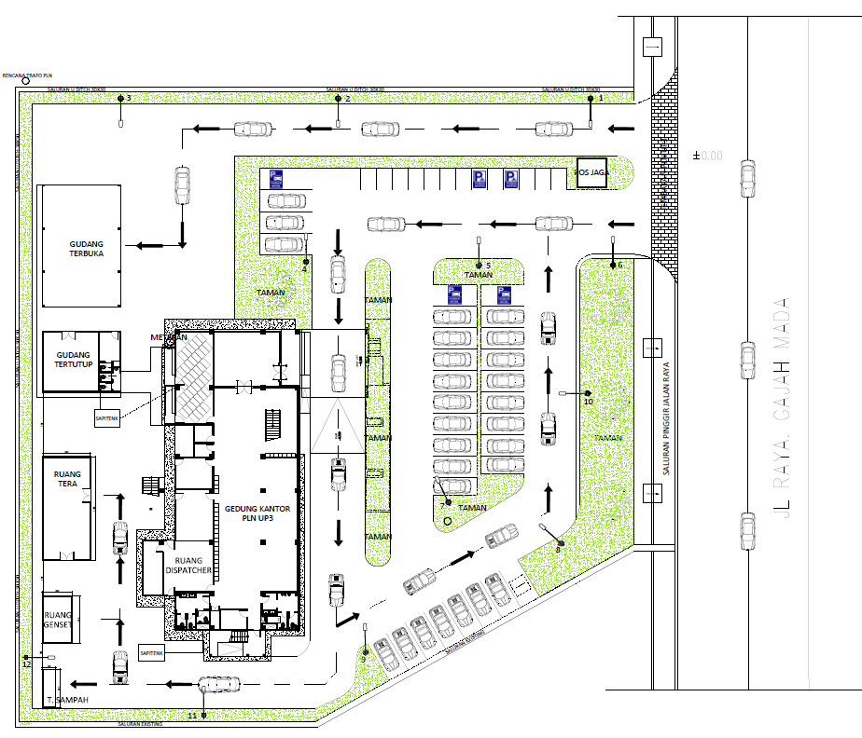
 | 4 | JTM 1 Fasa
 | 5 | JTR 1 Fasa Only / UB
 | 6 | JTR 3 Fasa Only / UB
 | 7 | Trafo 1 Fasa
 | 8 | Trafo 3 Fasa
s
s
 | 9 | Fuse Cut Out
KABEL POWER THREE CORE
110 meter
 | 10 | ABSW
 | 11 | Vang Net
DC PWI04-K2-662/16 - PWI08-6
1 C12-200 dAN
1 P12
1 DC-C1-1H
1 Trafo 1 Fasa CSP 50 KVA (G136)
 | 12 | Schoor
 | 13

PWI08-5A/1
1 C12-350 dAN
1 CC1-A
1 DB06
1 APP TR (105KVA)
1 CM2-12
 | Bongkar Pasang Konstruksi :
 | Pasang |  |  |  | Bongkar
 | C14-350 dAN |  | 1 | Btg
 | C12-350 dAN |  | 2 | Btg
 | DB06 |  | 2 | U
 | CC11 |  | 2 | U
 | CC7 |  | 1 | U
 | CC1-A |  | 1 | U |  |  |  |  | 107
 | CE1-3 |  | 3 | U
 | F1-3 |  | 3 | U
APP
 | CM2-12 |  | 3 | U
 | CM2-12A |  | 3 | U
 | APP TR 105KVA |  | 1 | U
 | Kabel Power Threecore |  | 110 | Mtr
 | Trafo 160 (G313) |  | 1 | U
PWI08-5A/2
1 C12-350 dAN
1 CC7
1 Trafo 3 Fasa 160 KVA 2 Tiang (G313)
1 LVCB 2 Jurusan Untuk 2 Tiang (M8-A2)
1 CE1-3
1 F1-3
1 CM2-12A
1 CM2-12
 | LVCB (M8-A2) |  | 1 | U
 | CM5-5 |  | 6 | U
 | CM5-12 |  | 2 | U
 | CM5-13 |  | 2 | U

 | Keterangan Tambahan:
 | -7.089427, 110.900848

 | Golongan
 | No. Gambar |  | 1 |  |  | Lembar |  | dr
 | Gambar dari |  |  |  |  | Skala
 | Perihal:
 | PEKERJAAN PB PLN UP3 GROBOGAN

 | Digambar |  | Staf
 | Diperiksa |  | TL Ren Sis
 | Diketahui |  | Asman Perencanaan
 | Disetujui |  | Manager

PETA
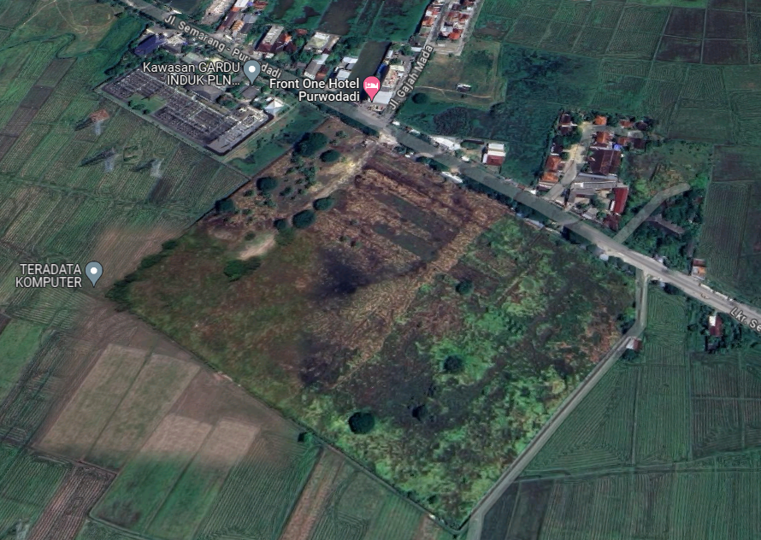
PETA LOKASI PEKERJAAN PB PLN UP3 GROBOGAN

SLD
SINGLE LINE DIAGRAM LOKASI PEKERJAAN PB PLN UP3 GROBOGAN

CV. JAYA SETIA PLASTIIK

